2024-25 Receipts
Cllr Clarke 27-11-24

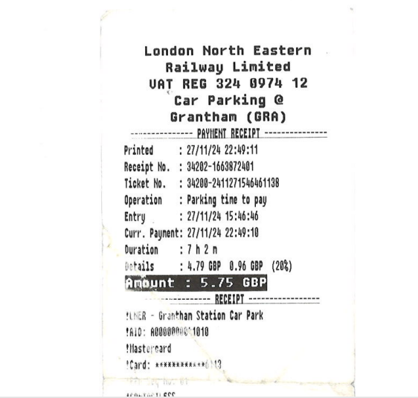

2023-24 Receipts
2578066 | 009056 | Cllr J Clarke | 01-Jan-2024 | 31-Jan-2024 | 07-Feb-2024 | Charlotte Caven-Atack | 10-Jan-2024 | 48 | 5.75 | 54.3 | 0 | 0 | DCN Reception - Westminster
2578066 | 009056 | Cllr J Clarke | 01-Jan-2024 | 31-Jan-2024 | 07-Feb-2024 | Charlotte Caven-Atack | 31-Jan-2024 | 28 | 7.1 | 0 | 0 | 0 | Nottm Forest Dinner

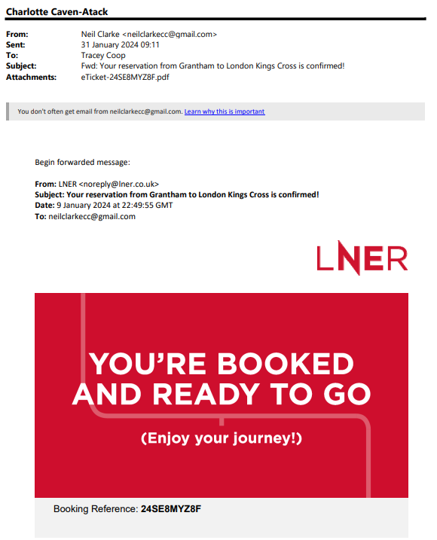
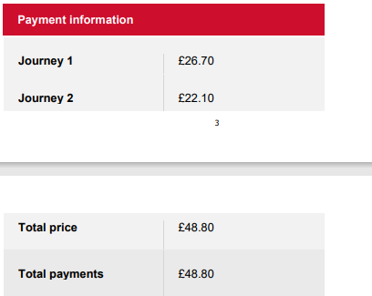
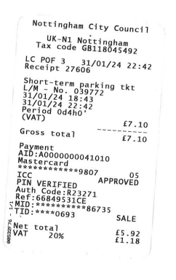
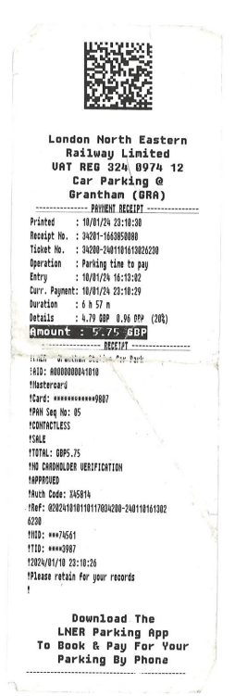

2543785 | 014172 | Cllr T Combellack | 01-Nov-2023 | 30-Nov-2023 | 04-Dec-2023 | Charlotte Caven-Atack | 21-Nov-2023 | 0 | 5.75 | 68.65 | 0 | 0 | ADA conference London

